raiz
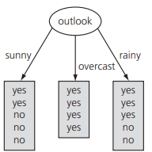
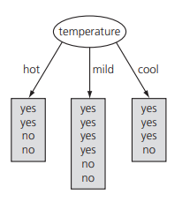
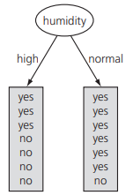
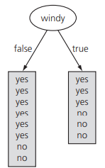
 |  |  |  | info[9,5] | 0.94028595867

outlook |  |  | temperature |  |  | humidity |  |  | windy
sunny | info[2,3] | 0.97095059445 | hot | info[2,2] | 1 | high | info[3,4] | 0.98522813603 | false | info[6,2] | 0.81127812446
overcast | info[4,0] | 0 | mild | info[4,2] | 0.91829583405 | normal | info[6,1] | 0.59167277858 | true | info[3,3] | 1
rainy | info[3,2] | 0.97095059445 | cool | info[3,1] | 0.81127812446 |  | info[3,4][6,1] | 0.78845045731 |  | info[6,2][3,3] | 0.89215892826
 | info[2,3][4,0][3,2] | 0.6935361389 |  | info[2,2][4,2][3,1] | 0.91106339301
 | gain() | 0.24674981977 |  | gain() | 0.029222565659 |  | gain() | 0.15183550136 |  | gain() | 0.048127030408

outlook(sunny)
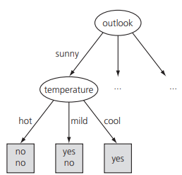
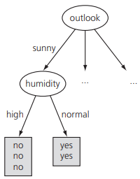
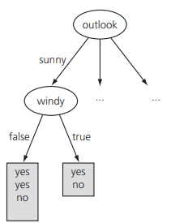
 | info[2,3] | 0.97095059445

temperature |  |  | humidity |  |  | windy
sunny-hot | info[0,2] | 0 | sunny-high | info[0,3] | 0 | sunny-false | info[2,1] | 0.91829583405
sunny-mild | info[1,1] | 1 | sunny-normal | info[2,0] | 0 | sunny-true | info[1,1] | 1
sunny-cool | info[1,0] | 0
 | info[0,2][1,1][1,0] | 0.4 |  | info[0,3][2,0] | 0 |  | info[2,1][1,1] | 0.95097750043
 | gain() | 0.57095059445 |  | gain() | 0 |  | gain() | -0.95097750043

outlook(overcast)
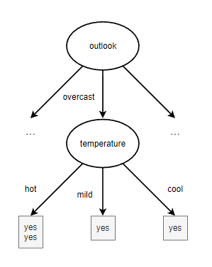
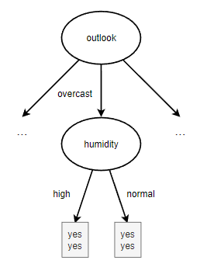
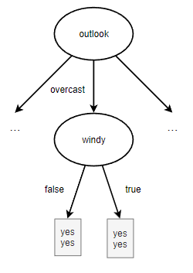
 | info[4,0] | 0

temperature |  |  | humidity |  |  | windy
overcast-hot | info[2,0] | 0 | overcast-high | info[2,0] | 0 | overcast-false | info[2,0] | 0
overcast-mild | info[1,0] | 0 | overcast-normal | info[2,0] | 0 | overcast-true | info[2,0] | 0
overcast-cool | info[1,0] | 0
 | info[2,0][1,0][1,0] | 0 |  | info[2,0][2,0] | 0 |  | info[2,0][2,0] | 0
 | gain() | 0 |  | gain() | 0 |  | gain() | 0

outlook(rainy)
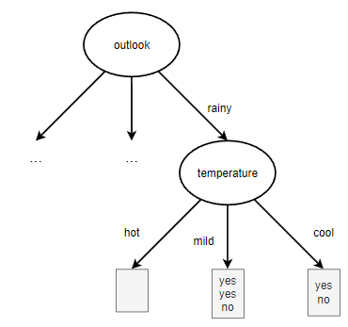
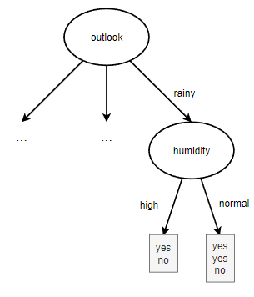
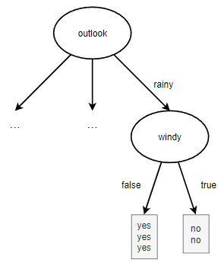
 | info[2,3] | 0.97095059445

temperature |  |  | humidity |  |  | windy
rainy-hot | info[0,0] | 0 | rainy-high | info[1,1] | 1 | rainy-false | info[3,0] | 0
rainy-mild | info[2,1] | 0.91829583405 | rainy-normal | info[2,1] | 0.91829583405 | rainy-true | info[0,2] | 0
rainy-cool | info[1,1] | 1
 | info[0,0][2,1][1,1] | 0.95097750043 |  | info[1,1][2,1] | 0.95097750043 |  | info[3,0][0,2] | 0
 | gain() | 0.019973094022 |  | gain() | 0.019973094022 |  | gain() | 0.97095059445

arbol final
